1. Title Page
Instacart Basket Analysis

Project Name: Instacart Basket Analysis
Date: November 2024
Analyst Name: Jordan Boer

Contents:
Population Flow
Consistency checks
Wrangling steps
Column derivations
Visualizations
Recommendations

Data Citation:
Source: "The Instacart Online Grocery Shopping Dataset 2017”, Accessed from www.instacart.com/datasets/grocery-shopping-2017 via Kaggle on November 2024
Note: The customer data, as well as the “prices” column in the products data set, were both fabricated for the purpose of this course

2. Population Flow
Title page

Population flow

Exclusion flag
Condition: max_order < 5
Obervations to be removed: 1,440,295
Final total count of order_products_all: 30,964,564

Orders_products_combined
Orders_products_merged
Orders_products_all

Total: 32,404,859
Total: 32,434,489
Total: 32,404,859

1.) The grey boxes in the first row of the population flow represent the original data sets as they were when you downloaded them. In the Total fields you need to add the count of the rows when you imported the data set into Jupyter.
2.) The second row of boxes (coloured) represents the data sets after you manipulated them, e.g., removed missing values and duplicates. In the Total fields you need to add the count of the rows after conducting these operations. This offers a visual oveview of how the data flows throughout the data consistency checks.
3.) The third row, where also the arrows are coloured, represents the merges you performed between the datasets. In the Total fields you need to add the count of the rows in the merged datasets, so that you end up with the final dataset (in the red box). Keep in mind the final dataset should be without exclusions (based on the exclusion flag).

3. Consistency checks
 |  |  |  | Title page
Consistency checks

Dataset | Missing values | Missing values treatment | Duplicates
orders | days_since_prior_order: 206,209 | imputed "0" for each missing value | 0 duplicates
products | product_name: 16 | removed missing values | 5 full duplicates
orders_products_prior | no missing values | n/a | 0 duplicates
customers | first_name: 11,259 | replaced null values with "Mr." for male customers, "Mrs." for female/married customers, and "Ms." for female/single customers. | 0 duplicates

4. Wrangling steps
 |  |  |  | Title page
Wrangling steps

Columns dropped | Columns renamed | Columns' type changed | Comment/Reason
"orders" dataset
eval_set |  |  | has one value (prior) which indicates this was a prior data set released by Instacart and is irrelevant for analysis.
 | order_dow |  | changed to "orders_day_of_week" for clarity.
 |  | order_id | changed type to "string" so it wouldn't interfere with calculating descriptive statistics.
"customers" dataset
 |  | date_joined | was a mixed type column, so I changed type to "datetime"
 | First Name |  | changed to "first_name" to fit format of other columns
 | Surnam |  | changed to "last_name" for clarity and to fit format of other columns
 | Gender |  | changed to "gender" to fit format of other columns
 | STATE |  | changed to "state" to fit format of other columns
 | Age |  | changed to "age" to fit format of other columns
 | n_dependants |  | changed to "n_dependents" fixing spelling mistake
"orders_products_all" dataset
first_name |  |  | dropped for data security reasons
last_name |  |  | dropped for data security reasons

5. Column derivations
 |  |  |  |  |  |  | Title page

Column derivations and aggregations

In this tab you should add tables below that the frequences of flags/label variables that you produced after deriving them. NB: don't do this for continuous variables, only for flags.
Dataset | New column | Column/s it was derived from | Conditions
orders_products_agg | price_label | price | see table
orders_products_agg | busiest_day | orders_day_of_week | see table
orders_products_agg | busiest_days | orders_day_of_week | see table | orders_products_agg |  |  | orders_products_agg_final |  |  | orders_products_all
orders_products_agg | busiest_period_of_day | order_hour_of_day | see table | price_label | Condition | Count | loyalty_flag | Condition | Count | region | Count
orders_products_agg_final | max_order | user_id/order_number | grouped by user_id/ max value in order_number | Mid_range product | > 5 and <= 15 | 21860860 | Regular customer | <= 40 and >10 | 15876776 | South | 10791885
orders_products_agg_final | loyalty_flag | max_order | see table | Low-range product | < 5 | 10131448 | Loyal customer | >40 | 10284093 | West | 8292913
orders_products_agg_final | avg_spent | user_id/prices | grouped by user_id/ mean value in prices | High-range product | > 15 | 412551 | New customer | <=10 | 6243990 | Midwest | 7597325
orders_products_agg_final | spending_flag | avg_spent | see table |  |  |  |  |  |  | Northeast | 5722736
orders_products_agg_final | median_order_frequency | user_id/days_since_prior_order | grouped by user_id/median in days_since_prior_order | busiest_day | Condition | Count | spending_flag | Condition | Count
orders_products_agg_final | order_frequency_flag | median_order_frequency | see table | Regularly busy | all others | 22416875 | Low spender | <10 | 32285165 | age_profile | Condition | Count
orders_products_all | region | state | grouped states into regions based off this article https://simple.wikipedia.org/wiki/List_of_regions_of_the_United_States | Busiest day | Sat | 6204182 | High spender | >=10 | 119694 | Senior | >64 | 8195544
orders_products_all | age_profile | age | see table | Least busy | Wed | 3783802 |  |  |  | Middle Adult | >33 and <=49 | 7790824
orders_products_all | income_profile | income | see table |  |  |  |  |  |  | Young Adult | <=33 | 7757465
orders_products_all | parent_profile | age and n_dependents | see table | busiest_days | Condition | Count | order_frequency_flag | Condition | Count | Older Adult | >49 and <=64 | 7220731
 |  |  |  | Regularly busy | all others | 12916111 | Frequent customer | <=10 | 22796659
 |  |  |  | Busiest days | Sat, Sun | 11864412 | Regular customer | >10 and <=20 | 6921472 | income_profile | Condition | Count
 |  |  |  | Slowest days | Tue, Wed | 7624336 | Non-frequent customer | >20 | 2686728 | Middle | >65000 and <=120000 | 14677214
 |  |  |  |  |  |  |  |  |  | High | >120000 | 9179513
 |  |  |  | busiest_period_of_day | Condition | Count |  |  |  | Low | <=65000 | 7107837
 |  |  |  | Most orders | 9am(9) - 4pm(16) | 21118071
 |  |  |  | Average orders | all others | 9997651 |  |  |  | parent_profile | Condition | Count
 |  |  |  | Fewest orders | 11pm(23) - 6am(6) | 1289137 |  |  |  | Parent | age >33 and dependents >=1 | 17407117
 |  |  |  |  |  |  |  |  |  | Not a parent | dependents == 0 | 7739681
 |  |  |  |  |  |  |  |  |  | Young parent | age <=33 and dependents >=1 | 5817766

6. Visualizations
 |  |  |  | Title page

Visualisations

In this tab you should include all the visualtions from Exercises 4.9 and 4.10, alongside the questions from the project brief that they answer. Include any commentary on the relationship between different variables.

1 | The sales team needs to know what the busiest days of the week and hours of the day are (i.e., the days and times with the most orders) in order to schedule ads at times when there are fewer orders.


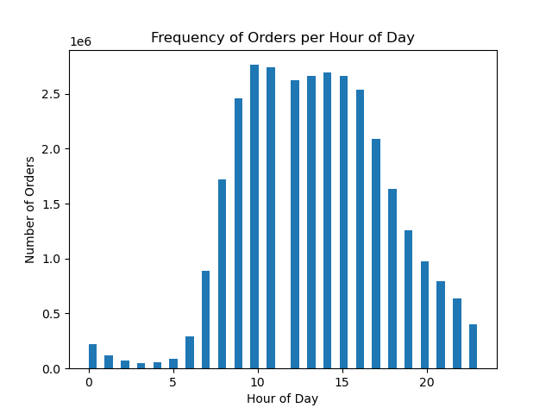

 |  | Day of Week Legend
 |  | Index number | Day of Week
 |  | 0 | Saturday
 |  | 1 | Sunday
 |  | 2 | Monday
 |  | 3 | Tuesday
 |  | 4 | Wednesday
 |  | 5 | Thursday
 |  | 6 | Friday

 | The most orders occur on Saturday and Sunday during the week. |  |  | The most orders are placed between 9am and 4pm.

2 | They also want to know whether there are particular times of the day when people spend the most money, as this might inform the type of products they advertise at these times.

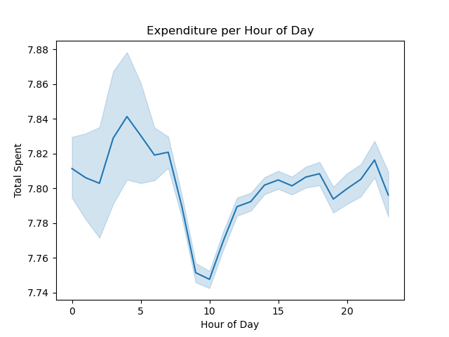

The most money is spent between 3am - 7am, indicating possible late night or early morning spending. There is a significant drop from 7am - 10am when most people may be getting ready to head to work. Sales increase as the day goes on and there is another spike around 8pm - 10pm where people may be placing orders after dinner before the end of the day.

3 | Are there certain types of products that are more popular than others? The marketing and sales teams want to know which departments have the highest frequency of product orders.

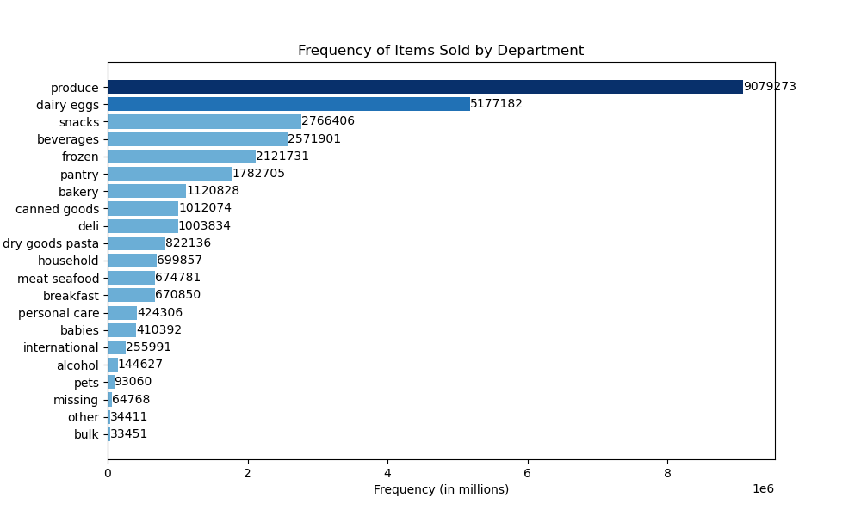

The "produce" department and "dairy eggs" department have the highest frequency of orders out of all departments. The "other" and "bulk" deaprtments have the fewest amount of orders.

4 | What’s the distribution among users in regards to their brand loyalty (i.e., how often do they return to Instacart)?

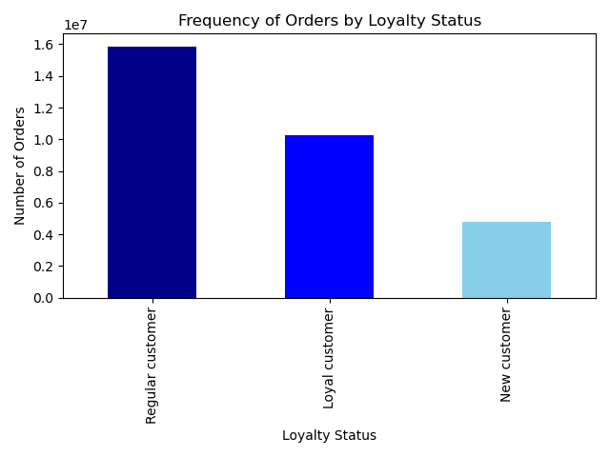
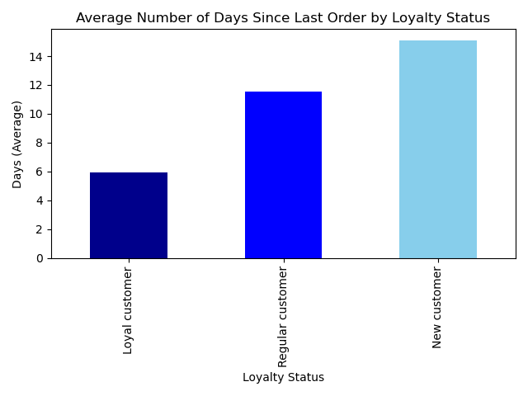

Looking at both of these charts, New customers have the fewest total orders and average about 15 days between orders, the longest return time of the loyalty groups. Regular customers have the highest number of orders of all the loyalty groups, but average about 12 days between orders. Loyal customers fall in the middle of total number of orders, but are the most frequent loyalty group when it comes to re-ordering, with about an average of 6 days between orders.

5 | Are there differences in ordering habits based on a customer’s loyalty status?


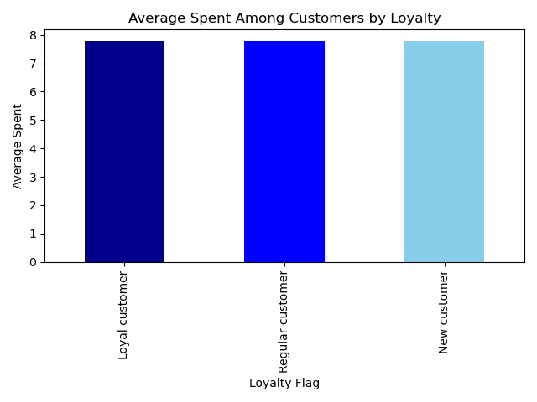

The average amount spent between loyalty groups is comparable. On average each loyal group spends about the same amount. However, if we look at the total amount spent in the chart on the right, we can see that Regular customers have spent the most out of the loyalty groups, about triple the amount compared to New customers. Loyal customers have even spent double that of New customers. This makes sense as the bulk of the customer base is the Regular customers so the bulk of sales will naturally come from that group.

6 | Are there differences in ordering habits based on a customer’s region?

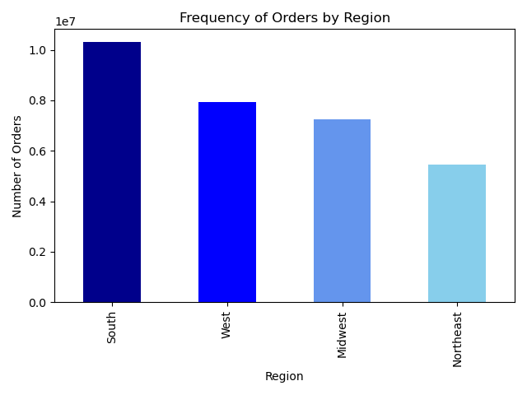
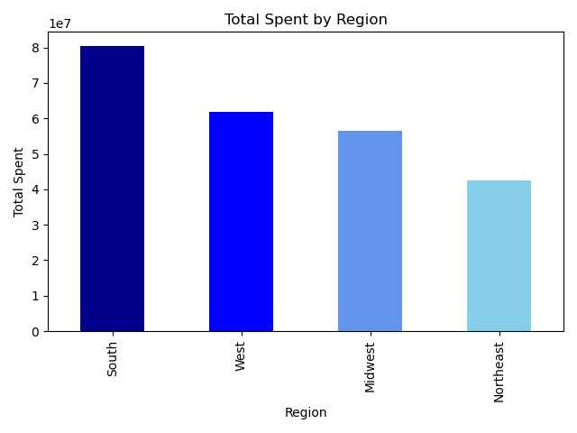
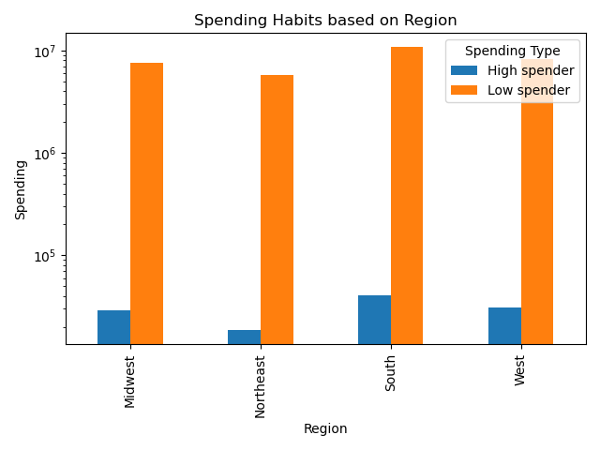

The South region has the most orders and total expenditure. This could be attributed to the South being a larger area with more customers.

Low spenders comprise the overwhelming majority in all regions with the most spending occuring in the South region.

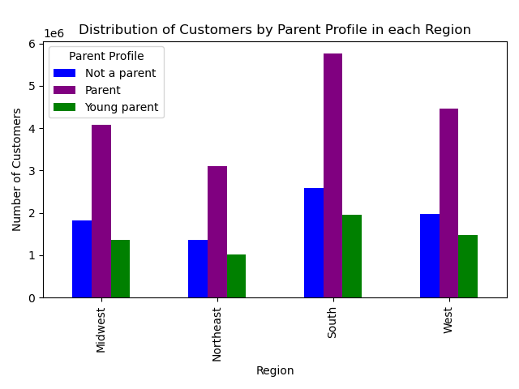
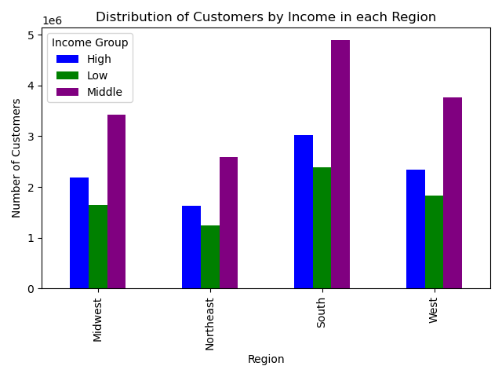
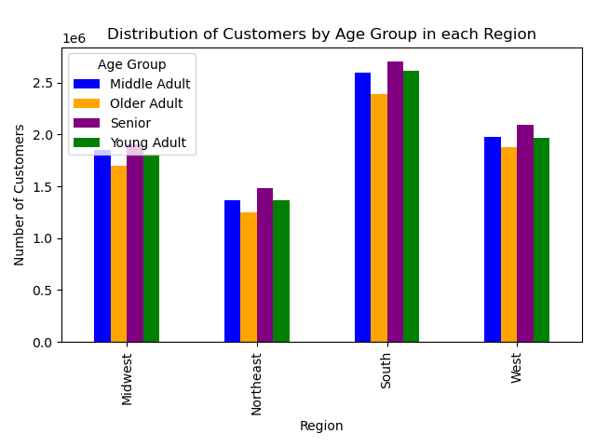

The South region has the most customers while the Northeast has the fewest. In all regions, Seniors make up the majority of customers while Older Adults are the fewest. Middle Adults and Young Adults are about equal.
Most customers are parents in all regions while young parents are the fewest. This may be due to older parents having more children and busier lives that want to take advantage of online grocery shopping.
Most customers have middle incomes while the fewest customers have low incomes. Lower income customers may not have the means to use this service and shop more at discount stores to save money.

7 | Is there a connection between age and family status in terms of ordering habits?

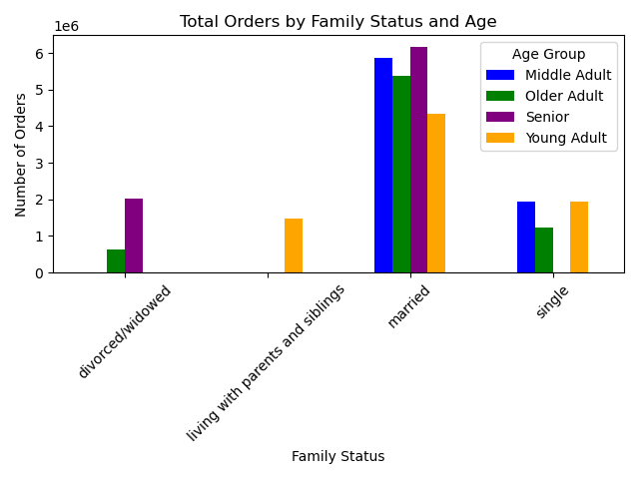
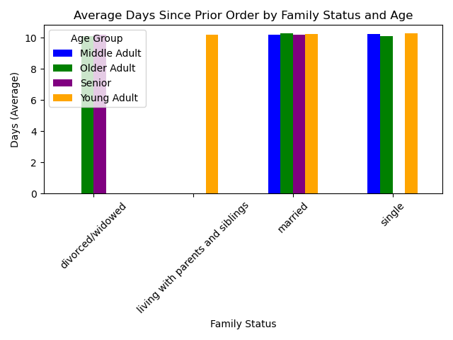
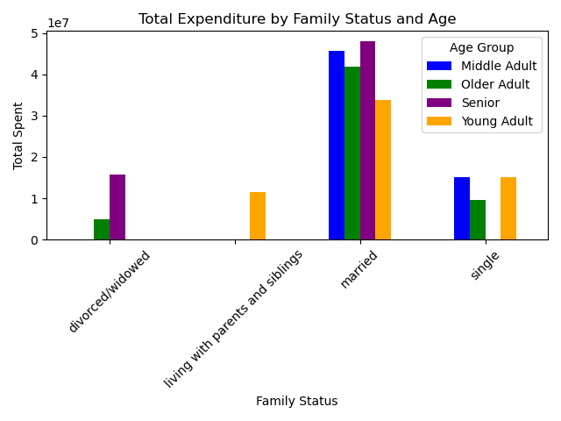

Total expediture and orders based on family status and age are basically identical, which makes sense as the most orders usually equates to the most spent. In both categories, married customers have the majority and within the married category seniors have the most orders and expenditure followed by middle adults, older adults and young adults, respectively.

There is no significant difference in the number of days since last order based on family status and age.

8 | What different classifications does the demographic information suggest? Age? Income? Certain types of goods? Family status?

 | Age Group:

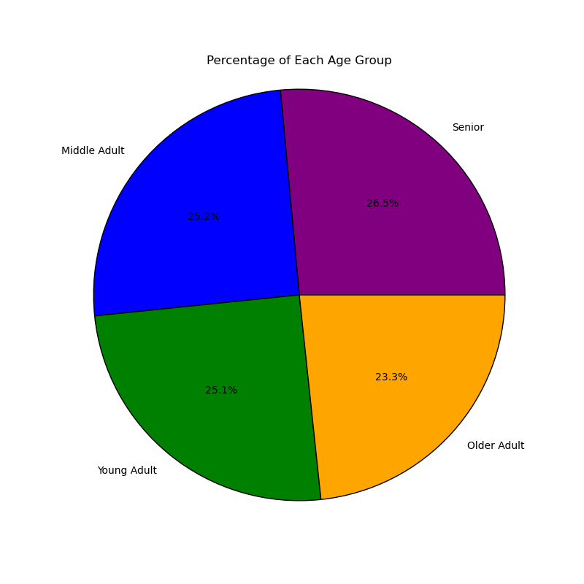
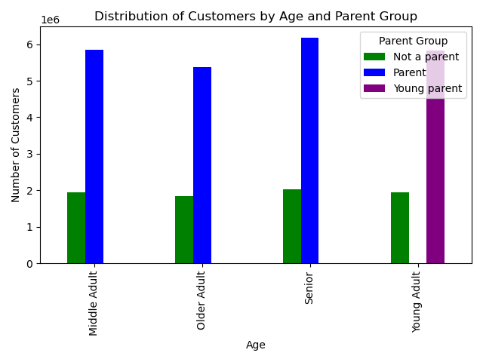
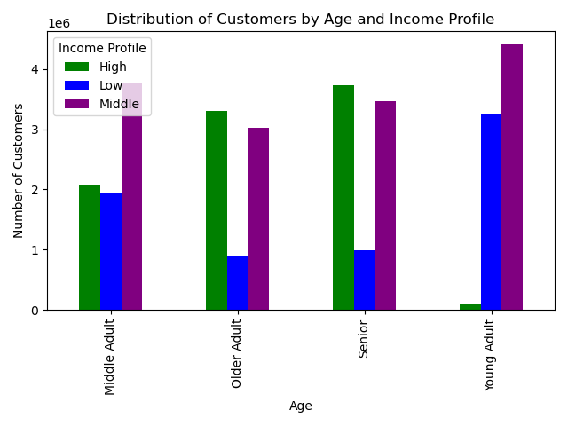
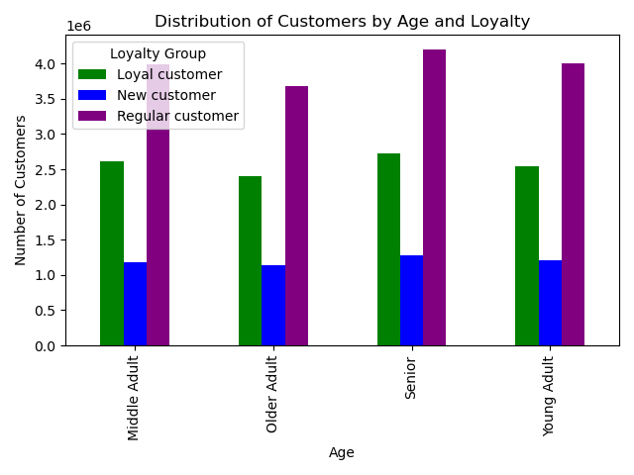

The breakdown of age groups is fairly even, but there are slightly more senior customers that any other age group and older adults, again slightly, make up the fewest customers.
The majority of customers are parents, which makes sense as they most likely take advantage of online shopping due to having children and busier lives that customers who aren't parents.
Young and middle adults have predominantly middle incomes, while most older adults and seniors have high incomes. This is likely due to older adults and seniors having time to establish their careers while young adults are just beginning their. Which shows, as young adults have the highest number of low income customers.
The distribution of loyalty amoung age groups is similar across the board, however, there are slightly more loyal customers in the senior age group.

 | Income Group:
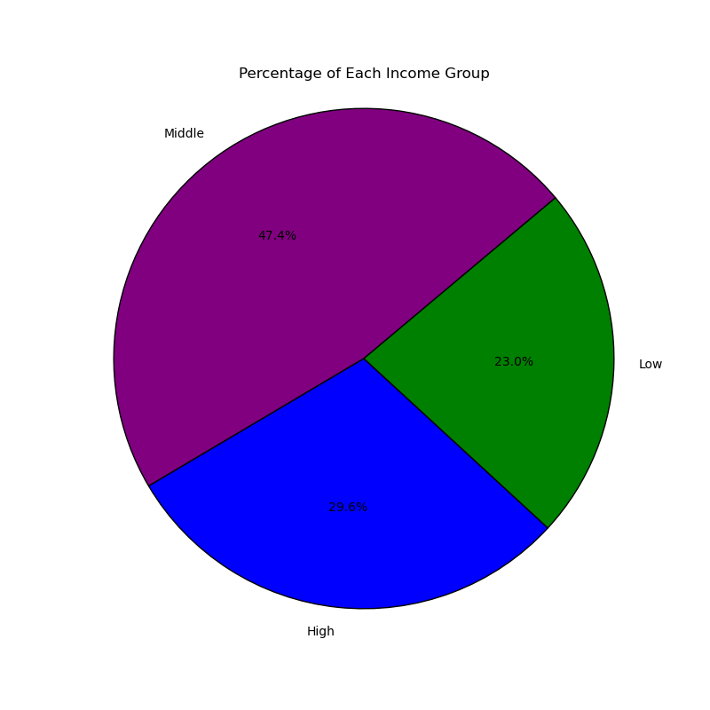
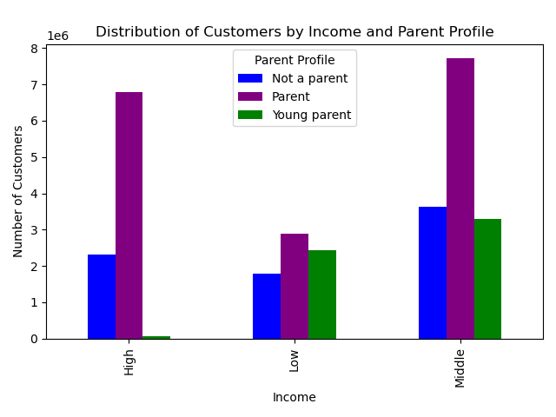
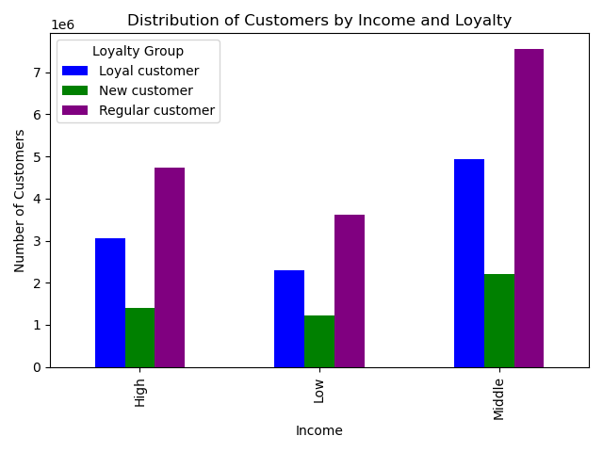

Most customers fall in the middle income bracket followed by high income customers, then low income customers.
Parents make up the majority of customers with most of them making middle incomes.
Most customers are regular customers, and again, the majority goes to middle income customers in all loyalty groups.

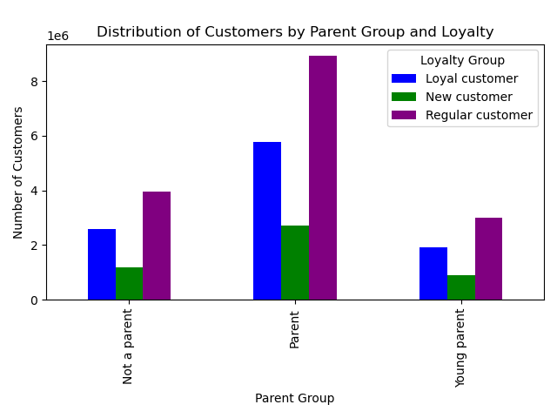
 | Parent Group:
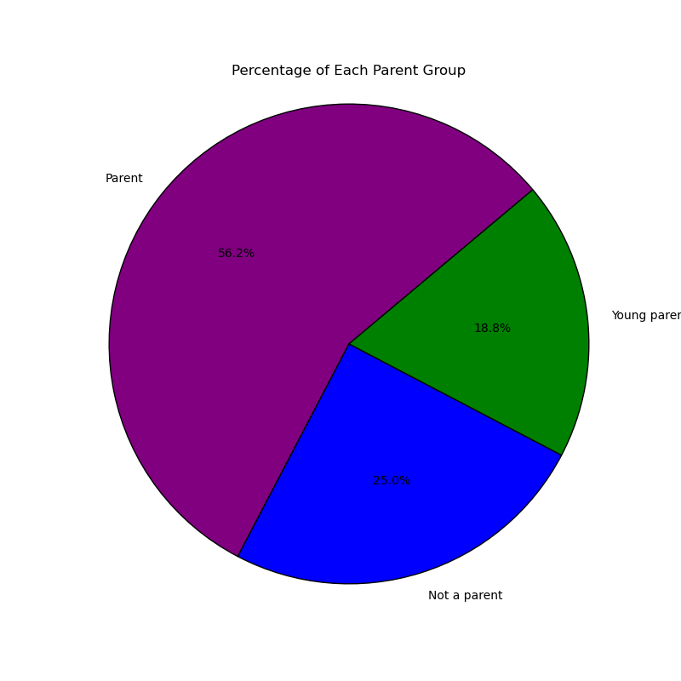

Parents make up the most customers in all loyalty categories, with regular customers being the majority across all parent groups, followed by loyal customers.
As we've seen in previous charts, parents make up the majority of customers, while young parents are the least.

 | Department:

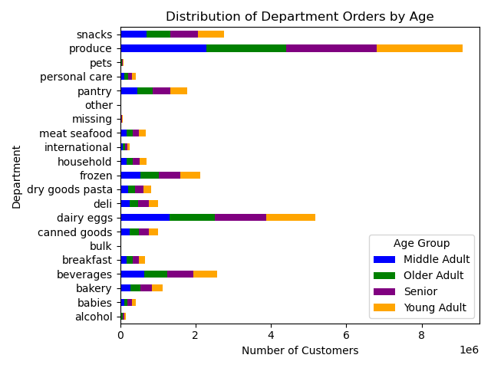
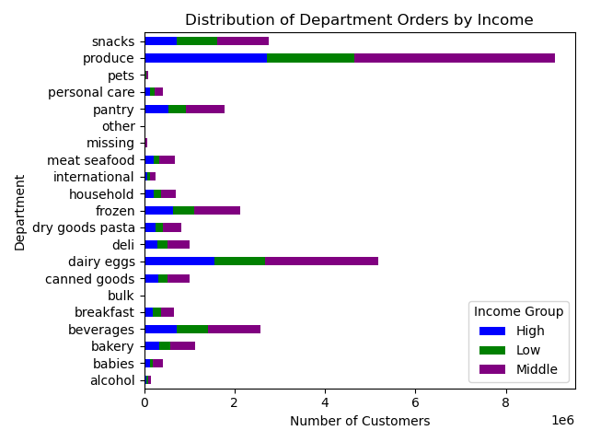
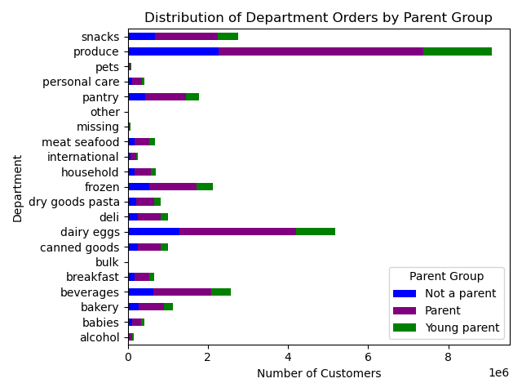
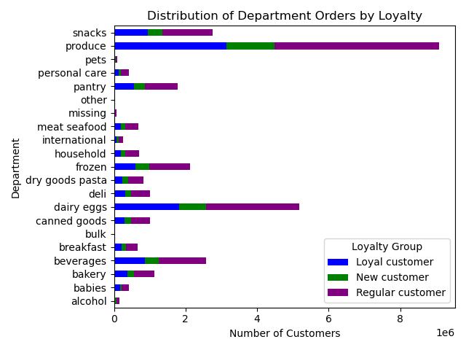

Across all four charts depicting spending in departments by age, income, parent group, and loyalty group, the produce department is by far where most customers are spending their money. This is followed by dairy/eggs, snacks, and beverages (respectively). This makes sense from what we've learned in previous charts, that parents make up the majority of the customer base. So, they are purchasing products to provide well-balanced meals for themselves and their children (produce, dairy/eggs) as well as snacks and beverages for children's school lunches or at home.

9 | What differences can you find in ordering habits of different customer profiles? Consider the price of orders, the frequency of orders, the products customers are ordering, and anything else you can think of.

 | Order Frequency:

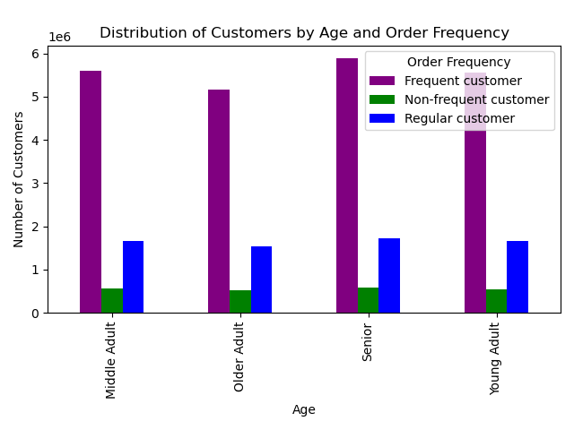
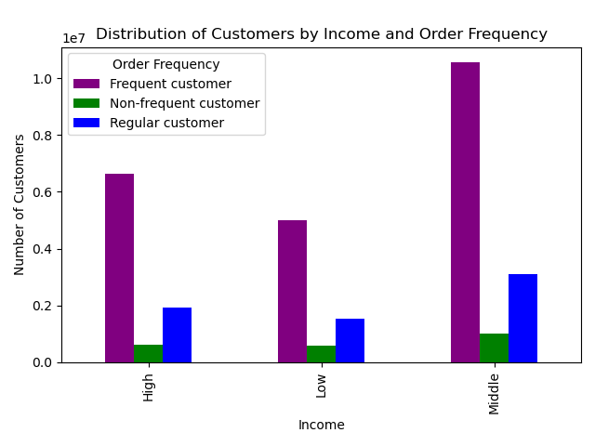
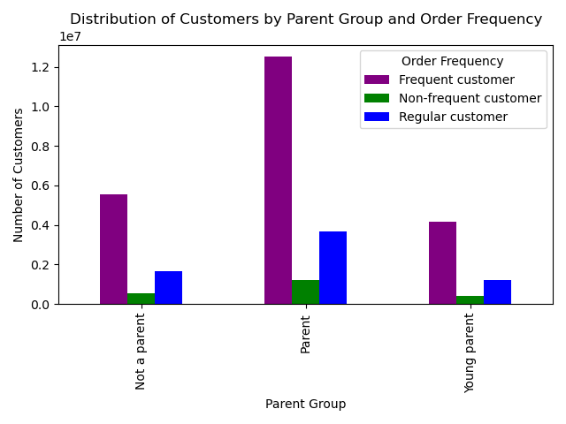
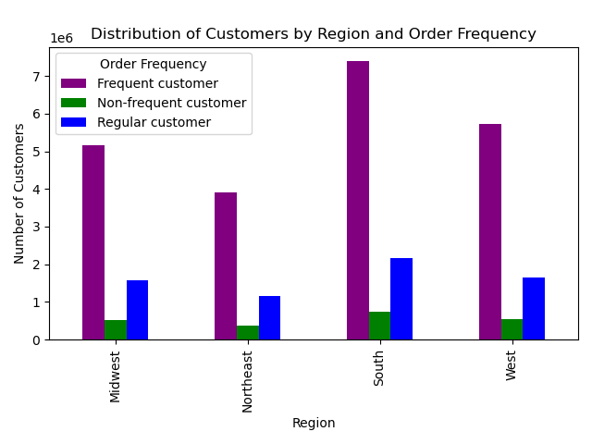

Again, across all charts depicting the frequency of orders based on age, income, parent group, and region, most customers are placing orders frequently, that is placing an order every 10 days or less, followed by regular customers who place their next order between 10-20 days, and non-frequent customers who take more than 20 days to place another order. The majority of frequent customers are senior parents with middle incomes that live in the South region.

 | Total Expenditure:

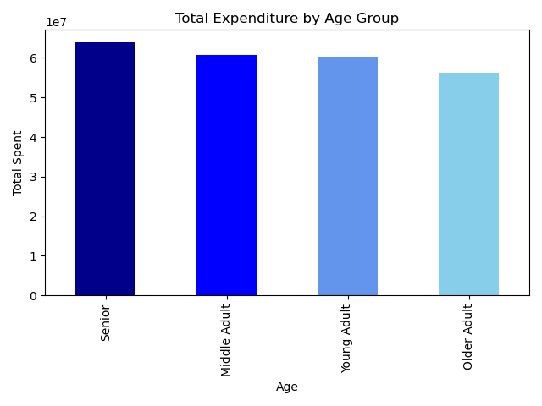
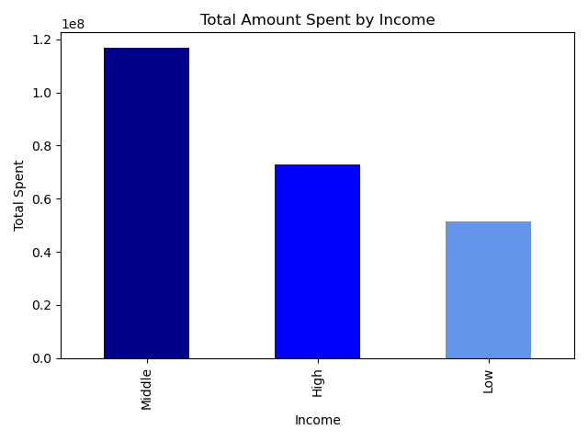
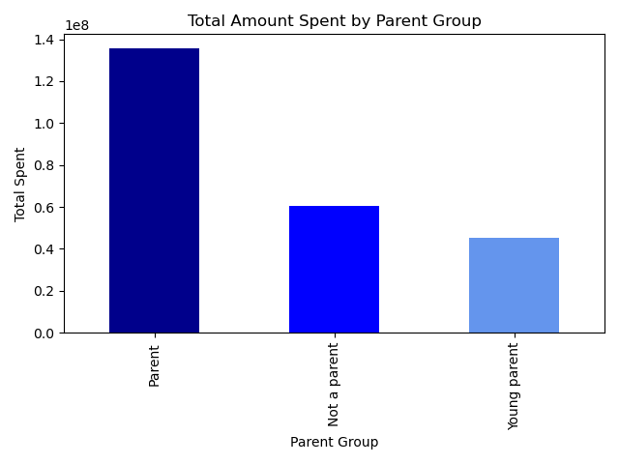

Along with being the most frequent customers, senior parents with middle incomes are also those who have the highest expenditure, as seen in the three charts above.

7. Recommendations
 |  |  | Title page

Recommendations

 | Question | Answer
1 | The sales team needs to know what the busiest days of the week and hours of the day are (i.e., the days and times with the most orders) in order to schedule ads at times when there are fewer orders. | Most orders are placed on Saturday and Sunday between 9am-4pm and the least orders are placed on Tuesday and Wednesday from 5pm-8am. Since the middle of the week is slowest, ads should be run during these days between 5am-8am when people are waking up and before they go to work and betwen 5pm-11pm when people are home from work. Running ads over night between the hours of 12am-4am could be done but most people may be asleep during that time.

2 | They also want to know whether there are particular times of the day when people spend the most money, as this might inform the type of products they advertise at these times. | The most money is spent during early morning hours (3am-7am) and evening hours (8pm-10pm). This could indicate late night spending or placing orders before going to work in the early morning hours and placing orders after dinner before goint to bed in the evening hours. So, ads could be catered to the time of day, ads for late night snacks and breakfast items could be run in the early morning time frame while ads for dinner items could be run during the evening hours.

3 | Are there certain types of products that are more popular than others? The marketing and sales teams want to know which departments have the highest frequency of product orders. | The top 5 departments with the most orders are, in order, produce, dairy/eggs, snacks, beverages, frozen. Ads and deals should be focused in these departments to drive the most sales since these are the departments customers are buying from the most.

4 | What’s the distribution among users in regards to their brand loyalty (i.e., how often do they return to Instacart)? | Regular customers comprise the comprise the majority of total orders while averaging about 12 days between orders. Loyal customers fall in the middle with total orders but oder the most frequently, averaging about 6 days between orders. If you want to increase the frequency of orders, a loyalty discount program could be enacted giving customers discounts for ordering more frequently. This could help retain the frequency of orders from loyal customers and entice regular and new customers to order more frequently.

5 | Are there differences in ordering habits based on a customer’s loyalty status? | There is no difference in the average amount spent by customers based on their loyalty. However, in total amount spent, regular customers spend the most, followed by loyal customers, then new customers. Since the customer base in mostly comprosed of regular customers, it makes sense they would have the highest grossing amount spent. The loyalty discount program mentioned above could also help increase the amount spent in every loyalty category by bringing the customers back to order more frequently.

6 | Are there differences in ordering habits based on a customer’s region? | Total orders and total expenditure are highest in the south region, followed by the west, midwest, and northeast, respectively. This could be due to the south being a lrager area than any of the other regions. In all regions, the ovewhelming majority of total amount spent is by low spenders, meaning that customers may spend less on each order but order more frequently, than high spenders. Also, in all regions, the highest demographic of all customers are senior parents with middle incomes. Young parents with low incomes in the northeast region make up the least of the customer base. Ads targeted to this demographic could help increase the amount of sales. Another recommendation is to adjust the prices of products in the northeast region, they may be too expensive for customers of this demographic to afford.

7 | Is there a connection between age and family status in terms of ordering habits? | The total orders and expenditure across family status are basically identical, which makes sense as more orders usually means more spent. However, married customers are the majority in total orders and expenditure. They likely have bigger houeholds meaning they need to buy more products and order more frequently. Targeting ads to this demographic will help retain the business of the majority of the customer base. There is almost no difference in the average amount of days since a previous order across different family statuses.

8 | What different classifications does the demographic information suggest? Age? Income? Certain types of goods? Family status? | The charts on the visualizations page show the breakdown of each profile against the others. The consensus is that the majority of customers are senior parents with middle incomes who are regular customers. The breakdown of purchases by department when compared to each demographic follows the same pattern as the popularity of department discussed in question 3. Produce and dairy/eggs are the highest selling departments when compared to each customer profile.

9 | What differences can you find in ordering habits of different customer profiles? Consider the price of orders, the frequency of orders, the products customers are ordering, and anything else you can think of. | In regards to ordering habits, most customers are ordering frequently, that is placing an order every 10 days or less, across all demographics. The majority of orders and total expenditure still comes from senior parents with middle incomes in the south region. If you are looking to increase sales in the lower demographics, focus and consideration should be placed on customers that are older adults and young parents that have low incomes, as well as the northeast region as a whole. These are the areas and demographics that have the lowest number of sales and orders. Targeting ad campaigns and possibly adjusting pricing for these demographics could increase business in the areas that have room to grow.

